CNN Parameters
Numero Epoche | Batch Size | Ottimizzatore | Learning Rate | Validation Accurancy | Validation Loss | Learning Cuves | Test Accurancy | Test Loss | Numero Epoche | Batch Size | Ottimizzatore | Learning Rate | Validation Accurancy | Validation Loss | Learning Cuves | Test Accurancy | Test Loss | Numero Epoche | Batch Size | Ottimizzatore | Learning Rate | Validation Accurancy | Validation Loss | Learning Cuves | Test Accurancy | Test Loss
5 | 8 | Adam | 0.001 | 0.654 | 0.875 | 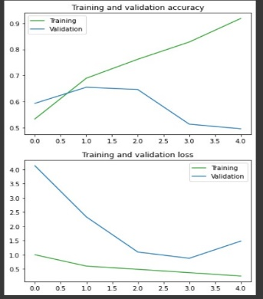 | 0.427 | 2.103 | 10 | 8 | RMSprop | 0.001 | 0.769 | 1.103 | 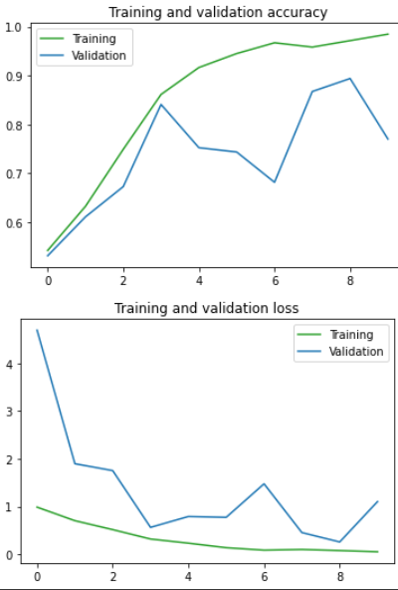 | 0.788 | 1.806 | 9 | 8 | RMSprop | 0.001 | 0.893 | 0.308 | 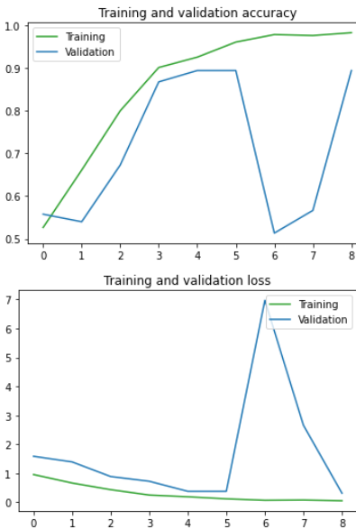 | 0.899 | 0.608
5 | 8 | Adam | 0.01 | 0.646 | 1.136 | 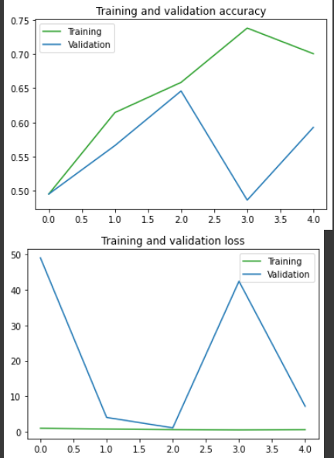 | 0.616 | 5.491 | 10 | 8 | RMSprop | 0.01 | 0.920 | 0.182 | 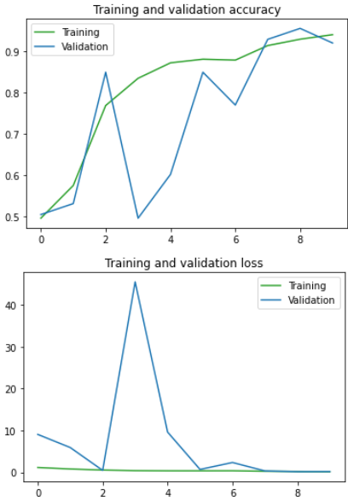 | 0.811 | 1.390 | 9 | 32 | RMSprop | 0.001 | 0.885 | 0.380 | 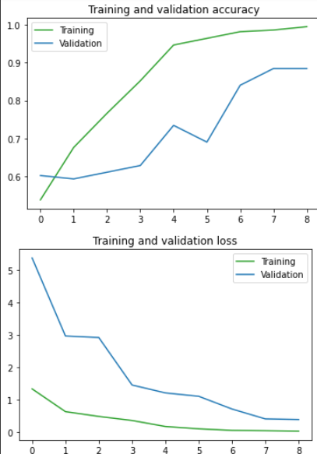 | 0.805 | 0.857
5 | 8 | Adam | 0.1 | 0.610 | 0.771 | 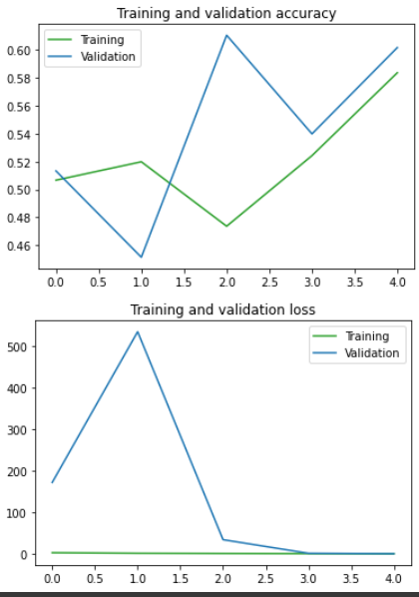 | 0.511 | 1.354 | 10 | 16 | RMSprop | 0.001 | 0.716 | 3.386 | 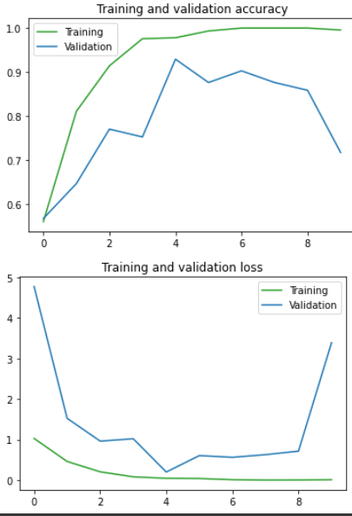 | 0.677 | 4.775
5 | 8 | RMSprop | 0.001 | 0.734 | 0.703 | 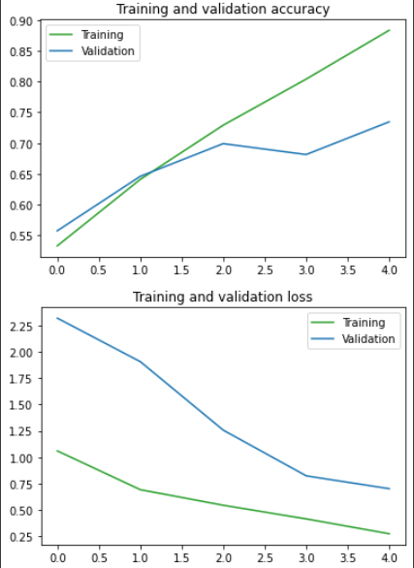 | 0.688 | 0.994 | 10 | 16 | RMSprop | 0.01 | 0.902 | 0.696 | 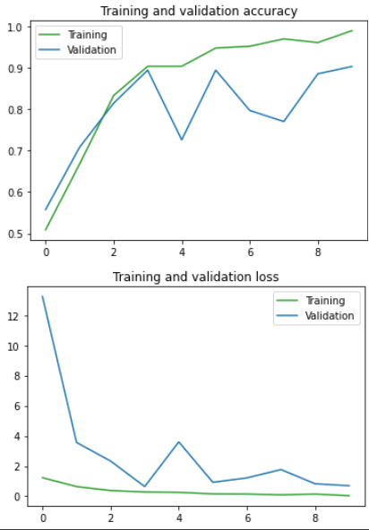 | 0.783 | 1.619
5 | 8 | RMSprop | 0.01 | 0.849 | 0.617 | 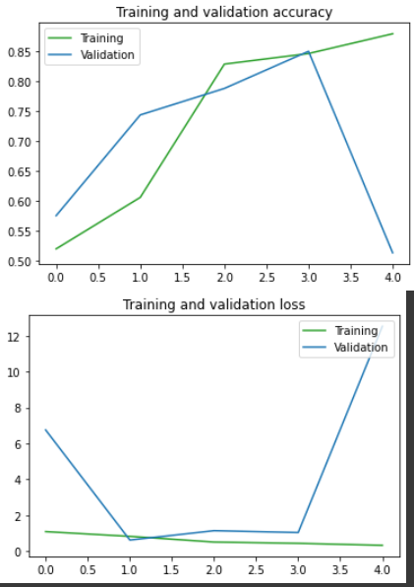 | 0.444 | 18.998 | 10 | 32 | RMSprop | 0.001 | 0.849 | 0.398 | 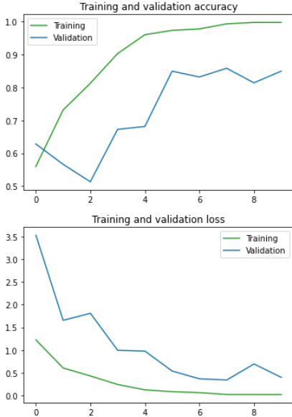 | 0.766 | 1.005
5 | 8 | RMSprop | 0.1 | 0.823 | 2.682 | 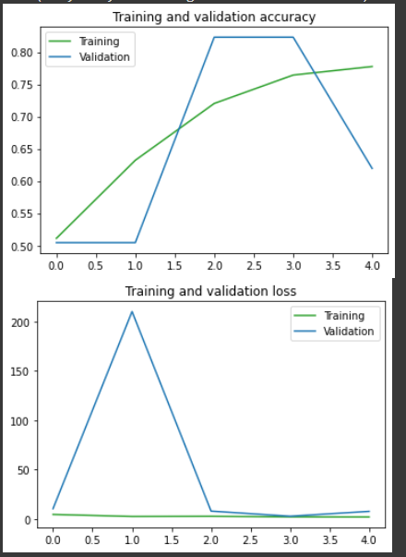 | 0.694 | 11.467 | 10 | 32 | RMSprop | 0.01 | 0.885 | 0.339 | 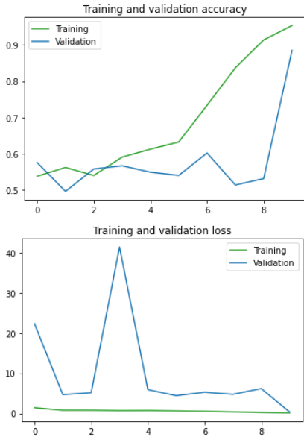 | 0.822 | 0.973
5 | 16 | Adam | 0.001 | 0.601 | 0.949 | 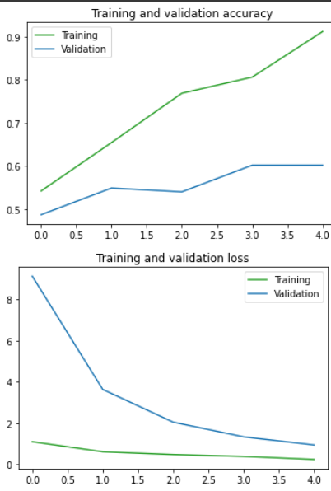 | 0.594 | 1.002
5 | 16 | Adam | 0.01 | 0.725 | 1.068 | 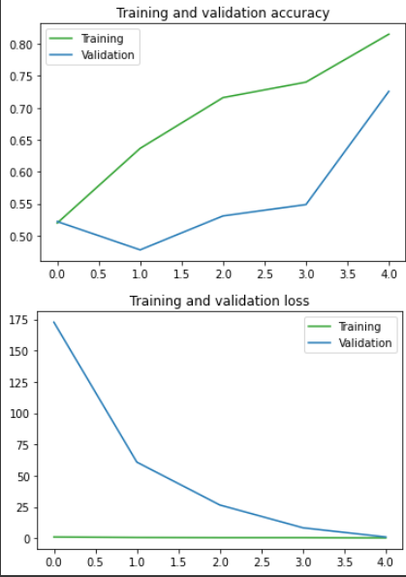 | 0.683 | 1.231
5 | 16 | Adam | 0.1 | 0.592 | 1.098 | 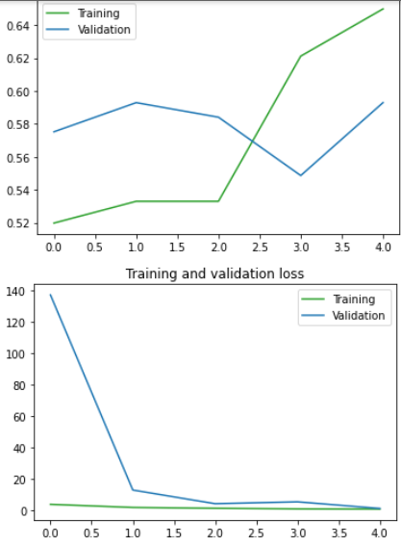 | 0.561 | 3.138
5 | 16 | RMSprop | 0.001 | 0.831 | 0.445 | 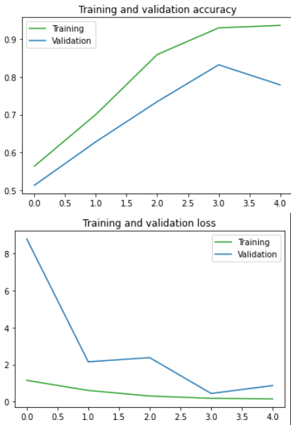 | 0.777 | 1.353
5 | 16 | RMSprop | 0.01 | 0.805 | 1.044 | 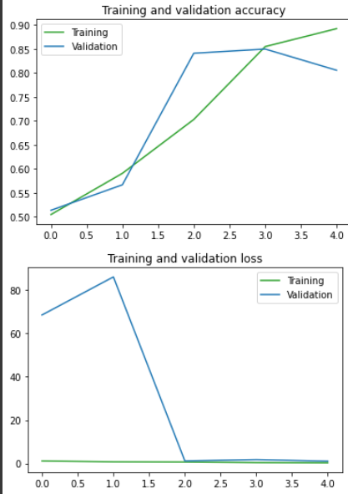 | 0.755 | 1.773
5 | 16 | RMSprop | 0.1 | 0.752 | 6.621 | 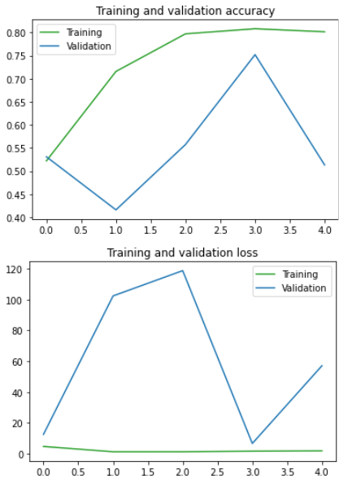 | 0.611 | 59.94
5 | 32 | Adam | 0.001 | 0.725 | 1.250 | 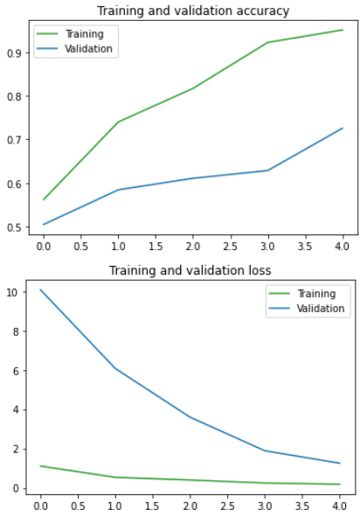 | 0.527 | 2.226
5 | 32 | Adam | 0.01 | 0.504 | 47.615 | 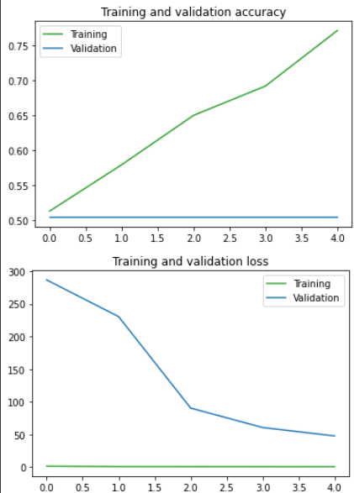 | 0.605 | 34.8
5 | 32 | Adam | 0.1 | 0.522 | 21.555 | 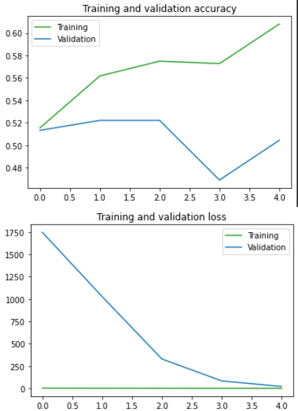 | 0.527 | 15.126
5 | 32 | RMSprop | 0.001 | 0.885 | 0.396 | 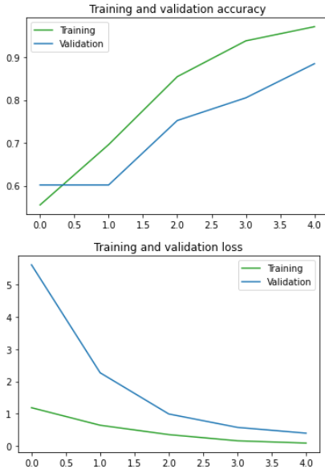 | 0.827 | 0.495
5 | 32 | RMSprop | 0.01 | 0.911 | 0.474 | 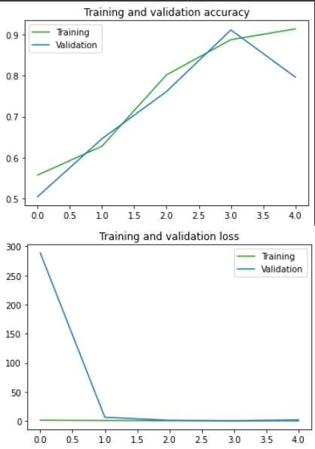 | 0.733 | 3.566
5 | 32 | RMSprop | 0.1 | 0.557 | 1.896 | 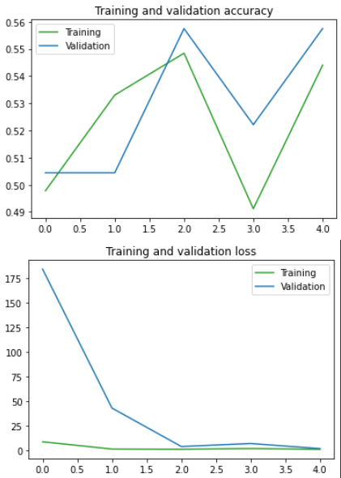 | 0.616 | 1.75

